IA Error Deletion
Deletion (Helpdesk Request First)
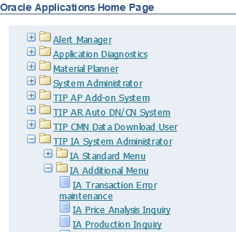

Sample error

1

2

3

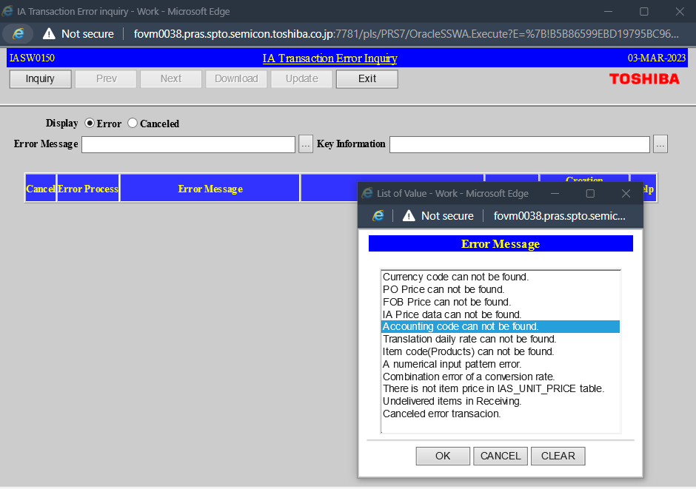

5
After clicking the meatballs, this menu will pop up. Just simply select where the arrow is pointing.

4
Click the inquiry
6
Click the meatballs menu

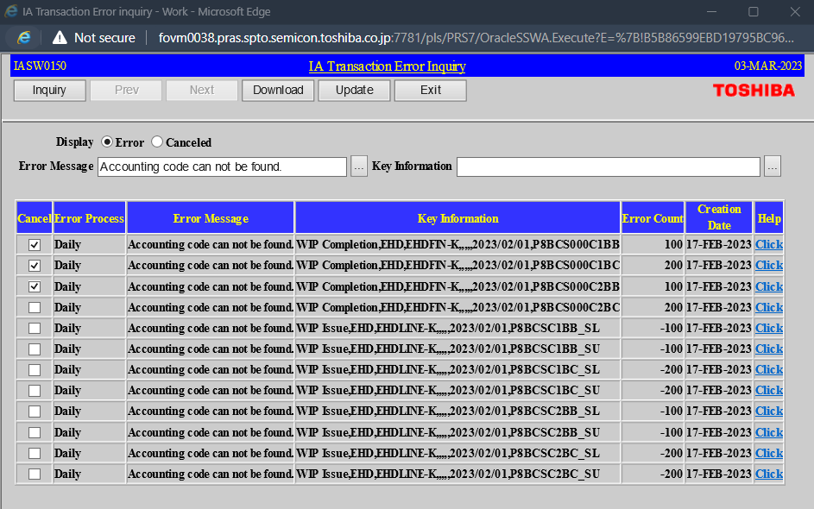

8
Then click the "Update"
(Update = Delete)

7
Select the item using the checkbox

Combination_code|| Error_Set-up
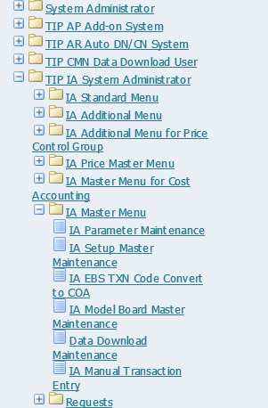
Sample email
Open the excel file

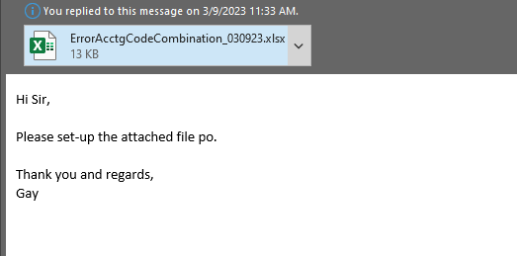
1

2

3

Search the transaction name using "Inquiry".
6
5
4
Search the Subinventory code here.
Search the transaction name here.

 |  | NOTE: Sample data only!!

You can use and edit the existing data.

7

NOTE : | Use "ISSUE" if the code combination is new and "UPDATE" if existing code combination
 | Transaction type name must not have space at the end.

 |  | Then take a screenshot ans send it back to the requestor

Click this for your reference.

Screenshots
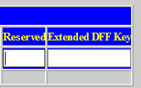

GL_CODE_SETUP
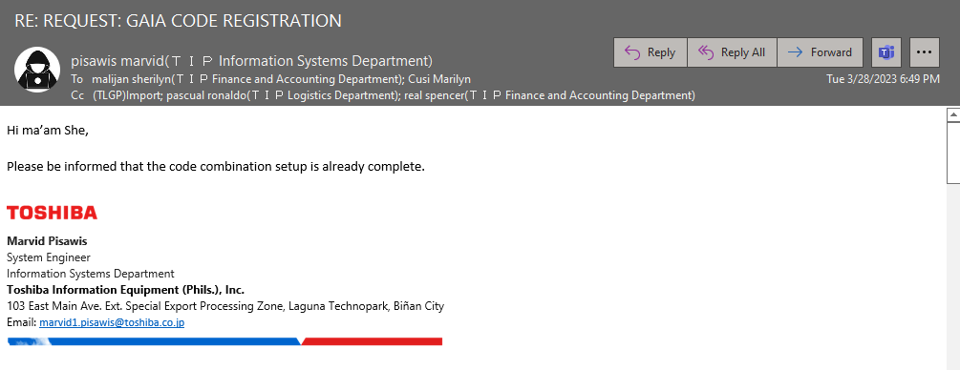
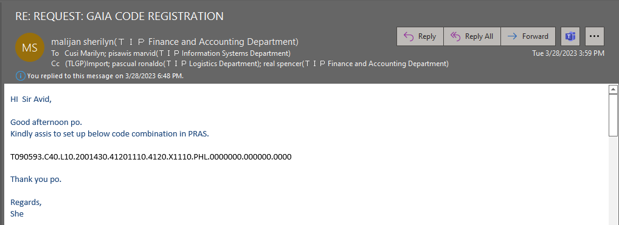

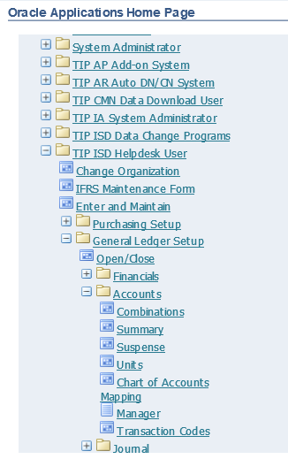

1

 |  | Check the code combination in the DB using this script
2

3

4
Search the GL combination code here.

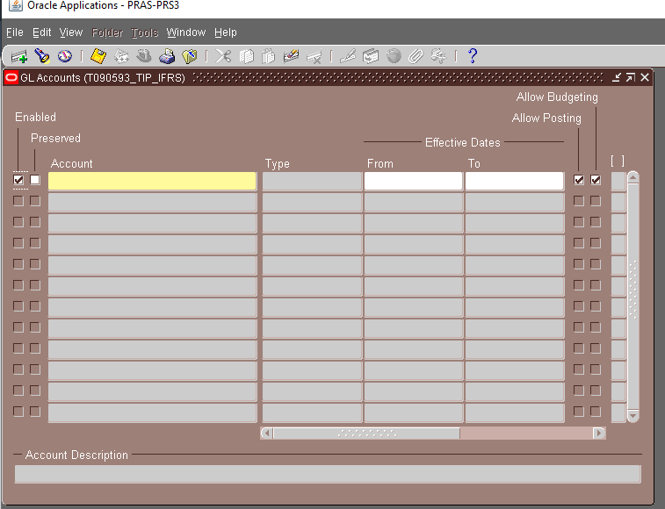

 |  |  | NOTE : | If GL combination doesn't exist or need to update, deactivate first the combination code if no longer needed.

CREATING NEW COMBINATION CODE

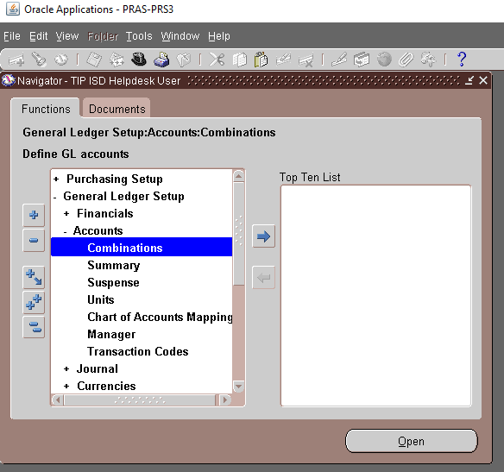

5

6
7

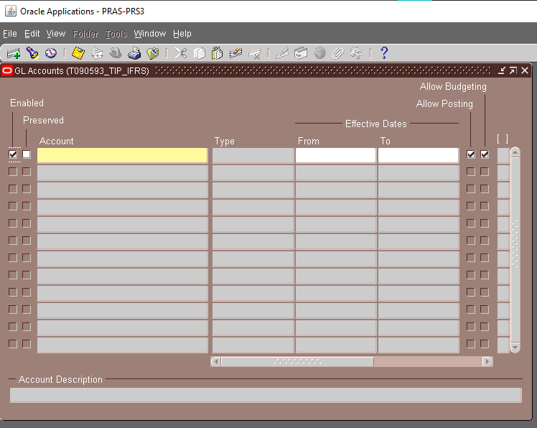

9
Setup only the "From" field. Then save.

8
Paste the GL combination code here.

Click the hamburger button to show the calendar
Then click save
 | LIKE THIS

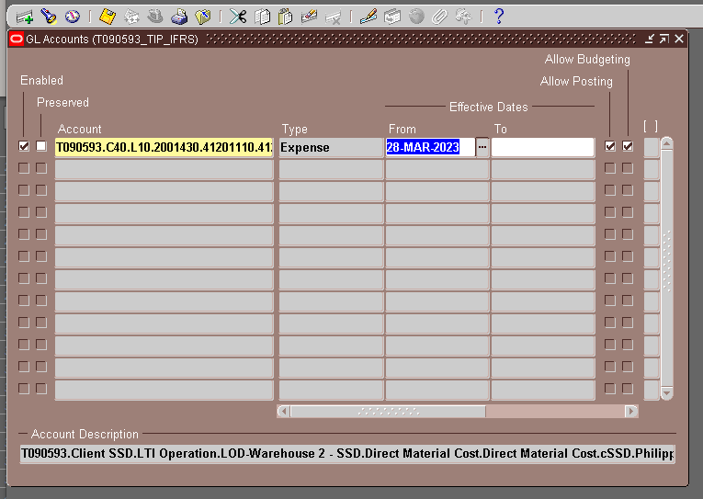

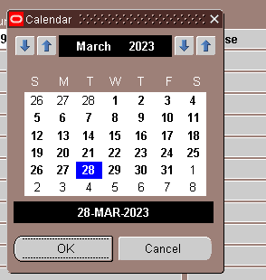

 | Sample email

